FORM 10a - CW
FDP Form 10a - Bid Results on Civil Works
Note: Bid Results are in three (3) separate forms, particularly, for Civil Works (Form 10a -CW), Goods and Services (Form 10b - GS) and Consulting Services
(Form 10c - CS). If there is no bidded project, good or service for the quarter, the forms must still be submitted with the said notation and signed accordingly.

CIVIL WORKS BID-OUT

REGION: | REGION VII - CENTRAL VISAYAS |  | CALENDAR YEAR: | 2023
PROVINCE: | CEBU |  | QUARTER: | 1
CITY/MUNICIPALITY: | CITY OF BOGO

No. | Reference No. | Name of Project | Approved Budget for Contract | Location | Winning Bidder | Name and Address | Bid Amount | Bidding Date | Contract Duration

1. | PR#23-013 | Road Opening (Brgy. Nailon, Bogo City, Cebu) | P2,999,694.44 | Brgy. Nailon, Bogo City, Cebu | RDY CONSTRUCTOR | Bogo City | P2,998,800.44 | 2/16/2023 | 75CD
2. | PR#23-014 | Road Concreting (Brgy. Pandan - Gairan Road) | P19,999,991.25 | Bogo City | FAILURE - NO BIDDER |  |  | 2/16/2023
3. | PR#23-015 | Road Concreting (Brgy. Marangog - Odot via Sitio Tagasa) | P26,103,315.95 | Bogo City | FAILURE - NO BIDDER |  |  | 2/16/2023
4. | PR#23-020 | Supply and Installation (Pandan - Odlot Road) | P16,683,825.26 | Bogo City | NODAL ELECTRIC TRADE AND SERVICES | MANDAUE CITY | P16,623,142.22 | 2023-02-03 | 170CD
5. | PR#23-039 | Road Concreting (Brgy. Marangog - Odot via Sitio Tagasa) | P26,103,315.95 | Brgy. Marangog, Odlot via Sitio Tagasa) | RDY CONSTRUCTOR | Bogo City | P26,101,530.95 | 03/16/2023 | 210CD
6.
7.
8.
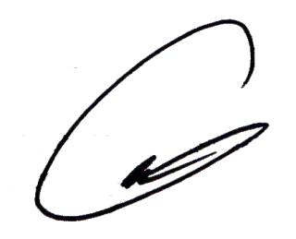
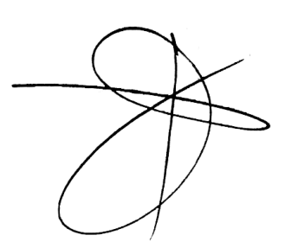
We hereby certify that we have reviewed the contents and hereby attest to the veracity and correctness of the data or information contained in this document.

CARLO FERNANDO G. LOGARTA |  |  | DANTE J. MAYOR | ROGER TONACAO | ENGR. RAMIRO A. LEPON |  |  | NELSON NAVARES
Chairman |  |  | Member | Member | Member |  |  | Member

